okt2017
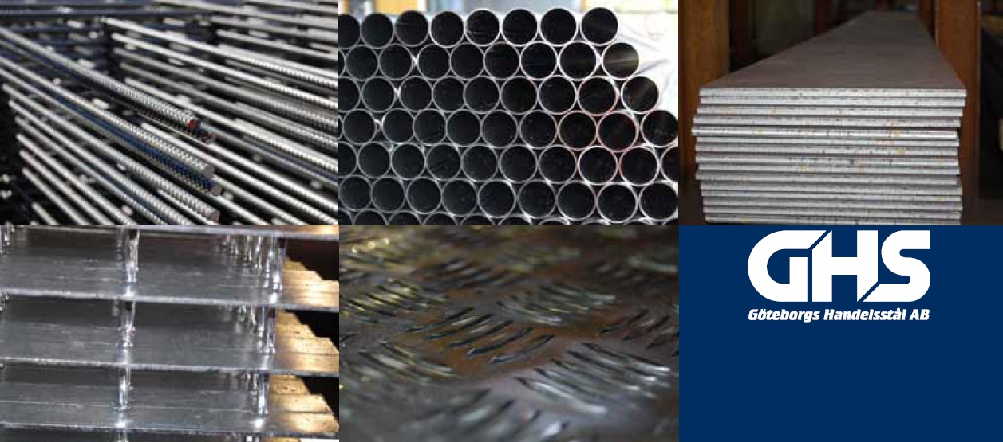
 |  | 0

Prislista december 2017
Prisökning mot föregående lista är

Balk | 5%
Varmvalsad stång | 3%
Armeringsnät | 5%
Armeringsstång | 5%

