okt2017
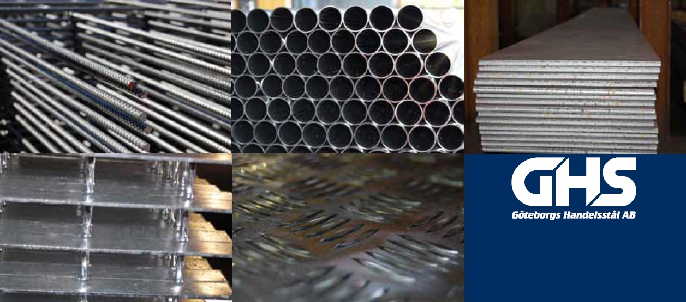
 |  | 0

Prislista Januari 2018
Prisökning mot föregående lista är

Balk | 3%
Varmvalsad stång | 3%
Rör | 3%
Plåt | 3%
KKR | 3%
Armeringsnät | 3%
Armeringsstång | 3%

